Practice Task
3.Practise Task : Test a public demo website or internal staging app manually.Project / Deliverable for Mentor Review: Create 20 manual test cases using positive, negative, boundary, UI, usability and error handling checks.
TC-ID | Test Scenario | Test Steps | Test Data | Expected | Actual Result | Status | Suggestions

TC_01 | Successful Owner Login | 1. Enter Email.<br>2. Enter Password.<br>3. Click "Log in". | Email: owner@testtenant1.test<br>Pass: Testtenant@1 | User is redirected to the main dashboard. | User is redirected to the main dashboard. | Pass
TC_02 | Invalid Password (EP) | 1. Enter valid email.<br>2. Enter wrong password.<br>3. Click "Log in". | Pass: Wrong123 | Access denied; error message "Invalid credentials" appears. | Access denied; error message "Invalid credentials" appears. | Pass
TC_03 | Empty Field Validation | 1. Leave fields blank.<br>2. Click "Log in". | N/A | UI displays "Required" validation messages for both fields. | shows message only to Enter valid email address and not for password | Pass | manatory alert message should be displayed for both the fields
TC_04 | Session Persistence | 1. Log in.<br>2. Refresh the browser tab. | N/A | User remains logged in on the dashboard. | User remains logged in on the dashboard. | Pass
TC_05 | Past Appointment Booking | 1. Select Today's date.<br>2. Select time in the past.<br>3. Click "Book". | Time: 6:00 PM (Current: 9:00 PM) | System blocks booking with an error message. | Sytem was not blocked and appointment was confirmed | Fail | critical | RESOLVED
TC_06 | Multi-Branch Visibility | 1. Log in as Owner.<br>2. Check branch list. | N/A | Dashboard shows data for every branch under one login. | Dashboard shows data for every branch under one login. | Pass
TC_07 | Branch Switching UI | 1. Click branch dropdown.<br>2. Select a different branch. | Branch: "Test Salon Chandigarh" | Dashboard UI updates to show stats for the selected branch. | Dashboard UI updates to show stats for the selected branch. | Pass
TC_08 | Unauthorized Branch Access | 1. Manually edit URL branch ID to one not owned. | URL: 6752d94f-59b6-4e92-89e6-30b18a3f2626 | System denies access or redirects to authorized dashboard. | redirects to authorized dashboard. | Pass
TC_09 | GST Billing Logic (18%) | 1. Create invoice for Facial.<br>2. Select 18% GST slab. | Subtotal: 竄ｹ499.00 | Total is 竄ｹ588.82; CGST/SGST split is 竄ｹ44.91 each. | Total is 竄ｹ588.82; CGST/SGST split is 竄ｹ44.91 each. | Pass
TC_10 | Insufficient Points Redemption | 1. Attempt to redeem 500 pts for a user with 200 pts. | Points: 500 | Transaction blocked with "Insufficient balance" alert. | Transaction blocked | Pass | if points are low and user cannot redeem Alert message should be displayed
TC_11 | Exact Balance Redemption | Log in to the Klodr ERP dashboard using valid Owner credentials . Navigate to the Loyalty module and search for test customer-2 (+919856985698) . Confirm Initial State: Verify that Lifetime Earned is 221 pts and Current Balance is 200 pts. Initiate Redemption: Select the "Facial" service, which has a defined "Burn" rule of 200 points. Complete Transaction: Click the "Redeem" button to finalize the point deduction. Observe Dashboard: View the updated member balance details . | Points: 200 | Transaction is accepted; balance becomes 0 | Transaction is accepted; balance becomes zero. | Pass
TC_12 | Zero Point Earn Rule | 1. Process transaction below earn threshold. | Total: 0 | No points are added to the member balance. | No points are added to the member balance. | Pass
TC_13 | PDF Invoice Consistency | 1. Click "Download PDF" on an invoice. | Invoice: CH-2627-00028 | PDF layout and data match the digital dashboard exactly. | PDF layout and data match the digital dashboard exactly. | Pass | There should be an serach option for particular invoice
TC_14 | Sequential Numbering | 1. Generate a new invoice.<br>2. Check invoice number. | Invoice: CH-2627-00027 | Number follows sequential financial-year numbering. | Number follows sequential financial-year numbering. | Pass
TC_15 | Verify the system correctly transitions an invoice from a "Paid/Active" state to a "Refunded/Credit Note Issued" state and updates all interconnected modules | 1. Navigate to the Billing (GST) module dashboard .<br>2. Select the target invoice and click the "Credit Note" button .<br>3. Confirm the refund/credit action.<br>4. Navigate to the Loyalty module to check the member's profile | CH-2-CN-2627-00002 | 1. Dashboard State: The invoice status must immediately change from "Paid/Active" to "Refunded" or "Credit Note Issued" .<br>2. Transaction Logs: A new log entry for the credit note must appear with correct financial-year numbering .<br>3. Loyalty Integration: The member’s balance must update to deduct the points originally earned from the refunded invoice | 1. Dashboard State: The invoice status must immediately change from "Paid/Active" to "Refunded" or "Credit Note Issued" .<br>2. Transaction Logs: A new log entry for the credit note must appear with correct financial-year numbering .<br>3. Loyalty Integration: The member’s balance must update to deduct the points originally earned from the refunded invoice | Pass | The inability to download a PDF specifically for a Credit Note (Refund), while other PDFs generate correctly,
TC_16 | Loyalty Member Search | 1. Search member by partial name or number. | Data: "Nivedita" | Correct member profile is displayed in results. | Correct member profile is displayed in results. | Pass
TC_17 | Mobile Responsiveness | 1. Open dashboard on mobile browser. | Screen: <768px | Elements stack correctly; "Book a Demo" is visible. | Elements stack correctly; "Book a Demo" is visible. | Pass
TC_18 | Staff Role List View | 1. Navigate to "Staff Roles".<br>2. Verify role list. | N/A | List shows all staff with their specific assigned roles. | List shows all staff with their specific assigned roles. | Pass
TC_19 | Navigation Integrity | 1. Click "Explore the platform" link. | N/A | Page loads correctly without 404 or console errors. | Page loads correctly without 404 or console errors. | Pass
TC_20 | Analytics Graph Loading | 1. Navigate to "Analytics".<br>2. Check for graph visibility. | N/A | The graphs should load without noticeable delay | The graphs should load without noticeable delay | Pass

4.Practise Task:Create test cases for password rules and file upload validation. Project/Deliverables : Test design sheet with at least 5 examples for each technique.

Equivalence Partitioning (EP) Examples for Password Testing
Following the logic of the EP technique, we can divide potential password entries into the following five classes:

Example # | Input Data (Representative Value) | Expected Result | Actual Result | Status | suggestion
1 | "abc12" (5 characters) | System rejects input; displays "Password too short" error. | Your new password doesn’t meet all the requirements yet. | Pass
2 | "KlodrNA2026!" (12 characters) | System accepts the password; user can proceed to save settings. | System accepts the password; user can proceed to save settings. | Pass
3 | "ThisIsAnExtremelyLongPassword@123" (32 characters) | System rejects input; displays "Password exceeds maximum length" error. | System accepts the password; user can proceed to save settings. | Fail | system should have max limit for password characters for data security, risk reduction and performance
4 | "SalonPassword" (Letters only) | System rejects input; displays "Must include at least one number" error. | Your new password doesn’t meet all the requirements yet. | Pass
5 | "klodr_pass_2026" (Lowercase only) | System rejects input; displays "Must include an uppercase letter" error. | Your new password doesn’t meet all the requirements yet. | Pass

Boundary Value Analysis (BVA) for Password Length
Range: 12 to 32 Characters

Test Case ID | Test Data (Length) | Expected Result | Actual Result | Status
TC_BVA_01 | 11 characters | Rejected: System displays "Password too short" error. | Rejected: System displays "Password too short" error. | Pass
TC_BVA_02 | 12 characters | Accepted: Meets the exact minimum constraint. | Accepted: Meets the exact minimum constraint. | Pass
TC_BVA_03 | 13 characters | Accepted: Within the valid range. | Accepted: Within the valid range. | Pass
TC_BVA_04 | 31 characters | Accepted: Within the valid range. | Accepted: Within the valid range. | Pass
TC_BVA_05 | 32 characters | Accepted: Meets the exact maximum constraint. | Accepted: Within the valid range. | Pass
TC_BVA_06 | 33 characters | Rejected: System displays "Password too long" error | Accepted: Within the valid range. | Fail | No max limit for characters

Decision Based Testing

1. Password Decision Table (Simplified)
The Goal: The password is only Accepted if it meets all three conditions: Length (12-32 chars), an Uppercase letter, and a Number.

Conditions | Rule 1 (Pass) | Rule 2 (Fail) | Rule 3 (Fail) | Rule 4 (Fail)
Length (12-32 chars)? | Yes | Yes | Yes | No
Has Uppercase? | Yes | No | Yes | Yes
Has Number? | Yes | Yes | No | Yes
Expected Action | Accepted | Err: Need Uppercase | Err: Need Number | Err: Invalid Length

2. File Upload Decision Table (Simplified)
The Goal: The file only Uploads if it is the right Type (.pdf/.jpg) AND the right Size (≤ 5MB).
Conditions | Rule 1 (Pass) | Rule 2 (Fail) | Rule 3 (Fail) | Rule 4 (Fail)
Type (.pdf, .jpg, .png)? | Yes | Yes | No | No
Size ≤ 2MB? | Yes | No | Yes | No
Expected Action | Successful Upload | Err: File Too Large | Err: Invalid Format | Err: Format & Size

State Transition Testing Examples
This technique ensures that valid and invalid transitions are handled correctly as the software moves through different operational phases.

No. | Initial State | Input/Event | Final State
1 | Logged Out | Enter valid credentials | Logged In / Dashboard.
2 | Logged Out | 5 consecutive failed login attempts | Account Locked (Security measure).
3 | Active/Paid | Click "Issue Credit Note" in Billing module | Refunded / Credit Note Issued.
4 | Non-member | Register via Salon ERP | Active Loyalty Member.
5 | File Selection | Click "Upload" for Salon Logo | Uploading -> Processing -> Completed.

Exploratory Testing Examples

No. | Exploratory Action (Scenario) | Risk Being Tested (The "Why") | Status | Observations / Findings | suggestion
1 | Rename a .exe file to .png and attempt to upload it as a Salon Logo. | Input Validation: Verifying if the backend microservices perform deep content inspection or rely solely on file extensions, preventing malicious script execution. | Pass | System correctly identifies and rejects the file, confirming the AWS backend is secure. | alert message not displayed
2 | Generate invoices for services with varying GST slabs (0% vs. 18%). | Financial Accuracy: Ensuring the Billing API correctly calculates tax and maintains "financial-year numbering" for Indian GST compliance. | Pass | Calculations and PDF formatting accurately reflect the respective tax slabs.
3 | Generate an invoice PDF, copy the "Direct Open" URL, and paste it into an Incognito/Private browser tab [Conversation History]. | Session Isolation: Testing for "Broken Access Control" (OWASP) to ensure sensitive financial PDFs are not accessible via guessable URLs without an active session. | Pass | The system correctly redirects to the login dashboard, protecting multi-tenant data privacy.
4 | Attempt to delete an appointment that has an active invoice and awarded loyalty points. | Data Integrity: Verifying if the system allows "orphaned" records or if it correctly reverses loyalty balances when a transaction is removed. | Fail | Defect Found: The UI provides no "Delete" option. This is a "missing functionality" that prevents data cleanup for erroneous entries. | Appointment delete option should be available
5 | Book an appointment in the Salon ERP and verify the "By the numbers" dashboard update for that specific branch and date. | System Synchronization: Checking the latency and accuracy of the data flow between the ERP frontend and the Analytics backend. | Pass | Customer details and branch-specific counts updated immediately, showing high performance.

5.Practise Task: Find/assume 5 bugs and write reports with steps, expected/actual result, screenshots, severity and priority.Project Review/Deliverable to mentor: Bug report pack + smoke checklist for login, dashboard, document upload, send for signing, notification, logout.

Bug 1: System Allows Booking Appointments in the Past

Severity: Medium (Impacts business logic and scheduling accuracy)
Priority: High (Essential for a functional Salon ERP)
Steps to Reproduce:

Log in to the Salon ERP dashboard.
Navigate to the appointment booking section.
Select today's date.
Choose a time that has already passed (e.g., select 6:00 PM when the current system time is 9:00 PM).
Click the "Book" button.

Expected Result: The system should block the booking with an error message stating that past times are invalid for new appointments.
Actual Result: The system did not block the action, and the appointment was confirmed .

Note: unable to provide the screenshot as there is some change in the system and also appointment booking time is not reflecting in the system

Bug 2: Bug/Feature Request: Branch filter does not isolate loyalty members on Members page

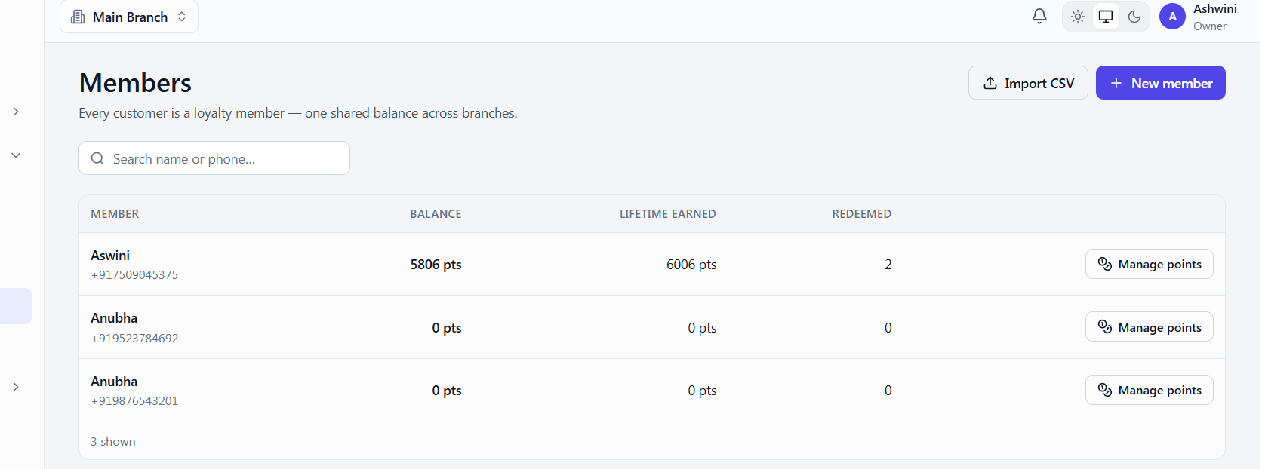
Description: When a specific branch is selected from the top branch switcher dropdown (e.g., "Main Branch"), the Loyalty > Members directory continues to display all customers globally across all branches, instead of filtering the list to show only the members registered to or associated with the active branch.

Steps to Reproduce:

Select a specific branch from the global top-left branch dropdown (e.g., "Main Branch").

Navigate to the Loyalty Members module.

Observe the member list.

Severity: Low (Cosmetic / UI Workflow inconsistency)

Priority: Medium (Important if branches are managed by different staff who should not see other branches' customer lists/phone numbers).

Expected Result: The member directory filters to only display customers belonging to the selected branch, or the global branch selector communicates that it is viewing "All Branches" data.

Actual Result: Customers from all branches are visible simultaneously despite a single branch being selected in the global header.
Bug 3: Password Validation Fails to Enforce Maximum Length (33 Characters)

Severity: Low (Edge case security validation)
Priority: Low (Minor UI/Validation fix)
Steps to Reproduce:

Navigate to the password reset or creation screen.
Enter a password consisting of 33 characters.
Submit the form.

Expected Result: The system should reject the input and display a "Password too long" error, adhering to Boundary Value Analysis (BVA) limits.
Actual Result: The 33-character password was accepted .

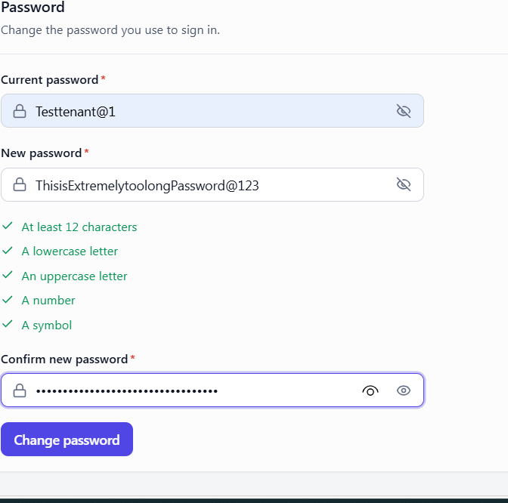

Bug 4: Missing "Delete" Functionality for Appointments

Severity: High (Critical "missing functionality")
Priority: Medium (Required for data management)
Steps to Reproduce:

Bug 4: Missing "Delete" Functionality for Appointments

Severity: High (Critical "missing functionality")
Priority: Medium (Required for data management)
Steps to Reproduce:

Open an appointment in the Salon ERP that already has an associated invoice and loyalty points.
Attempt to find an option to Delete the record to fix an entry error.

Expected Result: An "Owner" or "Admin" should have the ability to delete or remove erroneous records to maintain clean data.
Actual Result: No delete option exists in the UI; only "Reject" or "Cancel" are available .

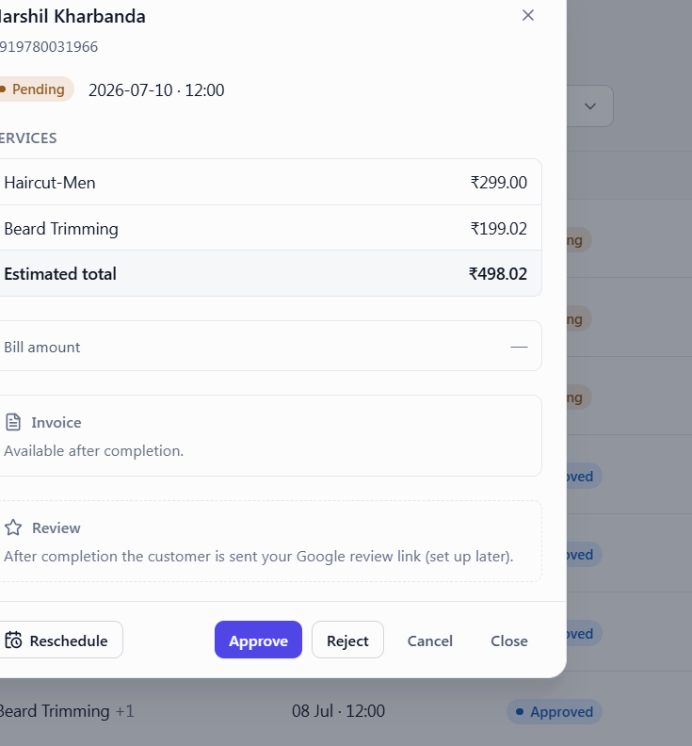

Bug 5: "PDF is still generating" error when clicking Credit Note on refunded invoice

Severity: Medium (The core accounting functionality (refunding) works, and data integrity is not lost, but a key user workflow—downloading or viewing the official Credit Note PDF—is blocked.)
Priority: High (Credit notes are compliance and customer-facing documents. Users need to issue or print them immediately after a refund is processed, meaning this blocks daily business operations and customer communications.)
Steps to Reproduce:

Navigate to the Invoices module.

Open an invoice that is marked with the "Refunded" status (e.g., Invoice INV-2627-00001).

Click on the action button to view or access the Credit Note.

Expected Result: The platform should load or download the generated Credit Note PDF document for the refunded transaction.
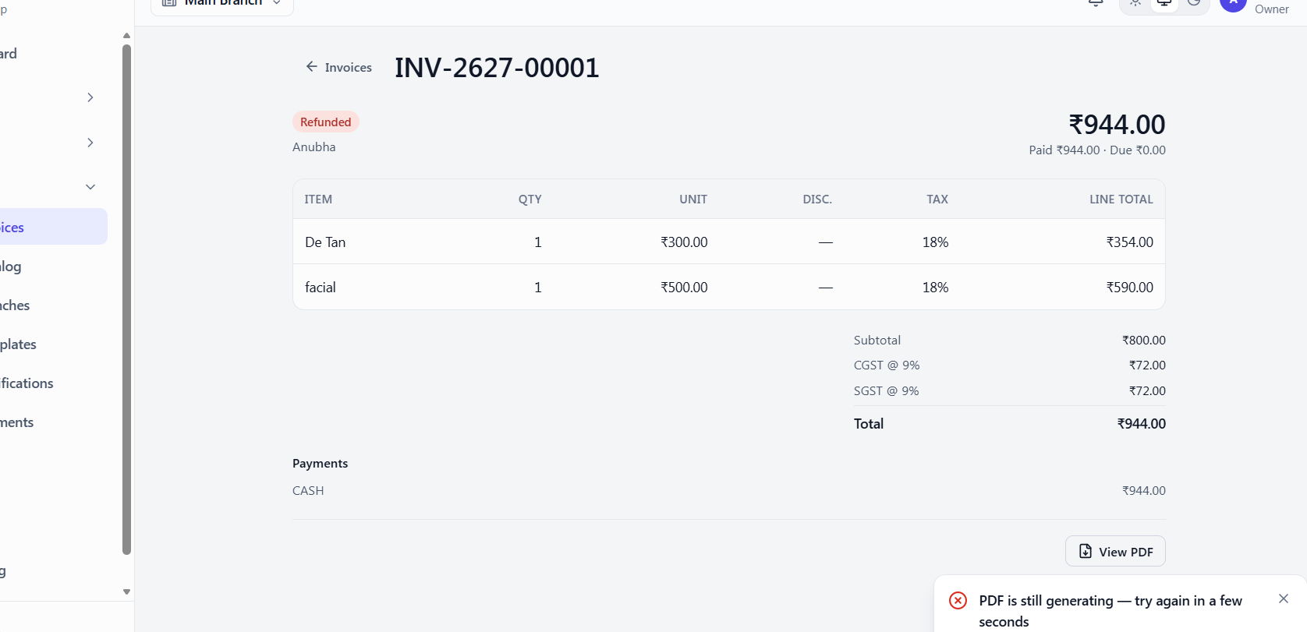

Part 2: Smoke Testing Checklist
This smoke checklist is a "quick health check" to ensure critical features are not broken after a deployment.
Area | Expected Result | Status (P/F)
Login | User redirected to the dashboard. | Pass
Dashboard | All modules (ERP, Loyalty, Billing) are visible. | Pass
Document Upload | File appears in the "Document List" without errors. | Pass
Send for Signing | PDF directly opens or downloads immediately | Pass
Notification | Notification is triggered/delivered successfully. | Pass
Logout | Session is destroyed and user is returned to the login screen | Pass

Task:6 Draw a simple web SaaS architecture from browser to API to database to email/SMS notification.
Part 1

Klodr is built on a Web-based SaaS model using AWS serverless and microservices architecture, which defines how data travels from the user's click to a notification.
Klodr Web SaaS Architecture Flow
Layer | Description & Role in Klodr
1. Client (User) | The user-agent (Salon Owner or Customer) initiates HTTP requests (e.g., "Book Appointment" or "Generate Invoice").
2. API Entry | Acts as the gateway for the pluggable APIs (Salon ERP, Loyalty, and Billing). It handles routing and initial security checks.
3. Logic (Compute) | Independent microservices (unit of work) that process business logic, such as calculating GST slabs or updating member balances.
4. Storage | Data is stored in a database (appointment/staff records) or Amazon S3 (document storage for customer logos and generated PDFs).
5. Message Queue | For asynchronous tasks, like notifications, requests are placed in a queue so they can be processed without slowing down the user's dashboard.
6. Notification | The system triggers a message. Klodr specifically features built-in WhatsApp booking as a primary notification and interaction channel.

Part:2 Architecture understanding diagram + list of QA risks at each layer.

1. Architecture Understanding Diagram (Textual Representation)
The system operates as a client-server protocol where the browser initiates requests to the backend.
Layer 1: Client/Frontend (User-Agent)
Components: Web Browser, HTML/CSS/JS, Cookies for Session Management.
Layer 2: API Gateway (Entry Point)
Components: AWS API Gateway, Authentication (one login for all modules).
Layer 3: Business Logic (Microservices)
Components: AWS Lambda functions for Salon ERP, Loyalty engine, and Billing (GST) API.
Layer 4: Data & Persistence
Components: Databases (Member balances, appointments), Amazon S3 (Customer logos, PDF invoices).
Layer 5: Integrations & Notifications (Async)
Components: WhatsApp Booking API, Email/SMS notifications, External signing services.

QA Risks at Each Layer

QA risks at each architectural layer of the Klodr platform, with specific examples based on the Salon ERP, Loyalty, and Billing modules.
Layer 1: Client / Frontend (Browser & User-Agent)
This layer handles the initial interaction and manages stateful sessions via cookies.
Risk: Client-Side State Fragmentation.
Example: A salon owner has the Klodr dashboard open in two separate browser tabs. In Tab A, they update a staff member's role to "Manager." Because HTTP is stateless, Tab B still shows the old "Staff" view. If they attempt to perform a manager-only action in Tab B, the frontend may display inconsistent options, leading to a confusing user experience or a "sad path" where the backend rejects the request with an unexpected error.
Risk: Unsanitized Input at the Storage Boundary.
Example: When a builder integrates the Loyalty API into their own app, they allow a customer to upload a profile picture. If the filename contains special characters or emojis (e.g., 😊_points.png) and the frontend doesn't sanitize this before it hits the Amazon S3 storage layer, it could break the document retrieval logic, causing the "Customer logos" section to fail to load.

Layer 2: API Gateway & Communication
This layer is the "Outer Boundary" where the client initiates requests (GET, POST) and the server provides responses.
Risk: Insecure Direct Object Reference (IDOR) on PDF URLs.
Example: Klodr’s billing module generates a PDF invoice with a URL like klodr.com/invoice/1001.pdf. If the API Gateway does not strictly validate that the active session owns invoice 1001, an unauthorized user could simply change the number in the URL to 1002 to view another salon's private GST records, violating SaaS multi-tenancy privacy standards.
Risk: Contract Mismatch Between Modules.
Example: The standalone Billing API is updated to require a mandatory "Financial Year" header for GST compliance. If the bundled Salon ERP dashboard is not updated simultaneously to send this new header, all invoice generation requests will fail with an HTTP 400 Bad Request or 422 Unprocessable Content status code.

Layer 3: Business Logic (AWS Lambda Microservices)
This is the "Inner Boundary" where "small units of work" (like calculating tax slabs) take place.
Risk: Floating-Point Rounding Failures in Financial Rules.
Example: A salon sets an "Earn Rule" in the Loyalty engine to "5% of bill amount" . If a service costs 1,250.75 Rupees, the Lambda function must handle the decimal precision (62.5375 points). If the code incorrectly truncates rather than rounding to the nearest integer or allowed decimal, the customer's "Current Balance" will be consistently inaccurate, leading to Customer Dissatisfaction.
Risk: Idempotency Failure in Transactional Actions.
Example: A user with a slow internet connection clicks "Redeem" for a 200-point service and accidentally triggers two identical POST requests. If the Loyalty Lambda is not idempotent, it might process the deduction twice, leaving the customer with a zero balance incorrectly, as seen in previous "sad path" findings [118, User history].

Layer 4: Data & Persistence (Database/S3)
This layer stores member balances, appointment records, and financial numbering.
Risk: "Orphaned" Data Records During Sync.
Example: An appointment that has already earned loyalty points is "Canceled" . If the database updates the appointment status but fails to trigger the subsequent "reversal" logic in the member balance table, the customer keeps points for a service they didn't pay for. This creates a mismatch in the "By the numbers" analytics, where "Appointments processed" stays out of sync with actual revenue.
Risk: Cross-Tenant Data Bleeding in Analytics.
Example: A salon owner views the "Branches managed" dashboard. If the database query lacks a strict AccountID filter at the persistence layer, the owner might accidentally see the aggregate "Invoices issued" count for every salon using the Klodr platform instead of just their own, a critical failure in multi-tenancy security.

Layer 5: Integrations & Notifications (Asynchronous)
This layer handles background tasks like WhatsApp booking notifications.
Risk: Race Condition in Asynchronous Delivery.
Example: A user completes a booking, triggering two async events: PDF invoice generation and a WhatsApp confirmation. If the WhatsApp message is delivered before the PDF has finished saving to S3 storage, the link in the message will return an HTTP 404 Not Found error when the customer clicks it.
Risk: Dead Letter Queue (DLQ) Silent Failures.
Example: The standalone WhatsApp API provider is down. The Klodr system attempts to retry the notification. If the retry limit is reached and the message is moved to a Dead Letter Queue without alerting the salon staff, the salon owner will see the appointment as "Confirmed" in the ERP, while the customer remains unaware their booking was processed, reducing Customer Satisfaction.

Task: 7 Screenshot-based report showing status codes, request/response, console errors and page load observations.

1. Checking the Connection (Status Codes)
When you click a button, your browser sends a "request" to the server. The server then sends back a Status Code to say if things went well.
What we found: Our screen shows a "200 OK" status.
What it means: This is great news—it means the request was successful and the server did what it was asked to do.
Why it matters: As a "thought worker," we check these to make sure the connection is solid and the server isn't "crashing" (which would be a 500 error).

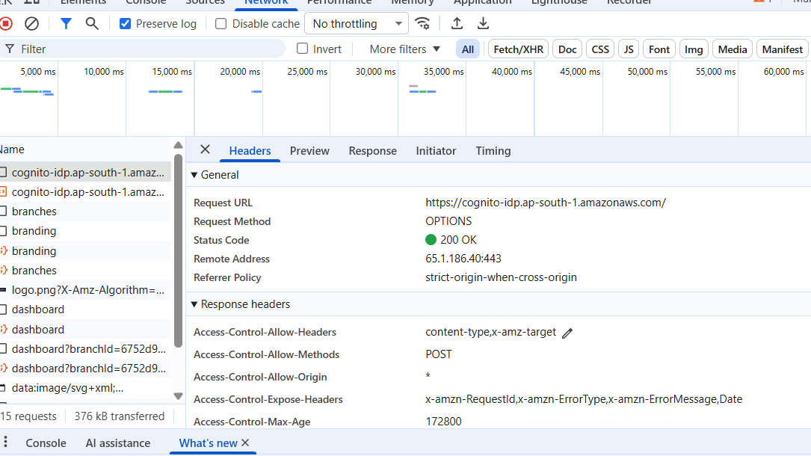

2. Sending Your Information (The Login Message)
When you type your username and password, the browser bundles them into a message called a Payload to send them to the server.
What we found: We saw the login message being sent with the username and a test password.
Safety check: We verified that this information is sent using a POST request, which is a secure way to move data over the internet

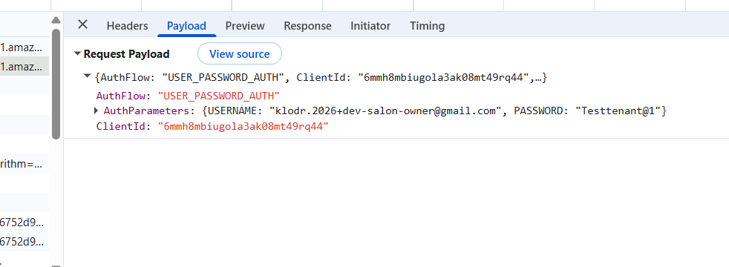

3. Staying Logged In (The Digital Key)
Because the internet is "stateless" (it doesn't naturally remember who you are from one click to the next), the server gives you a special code after you log in.
What we found: Instead of using small files called "cookies," Klodr uses a "Bearer Token".
How it works: Think of this token like a digital key. Every time you click on a different part of Klodr (like the Loyalty or Billing screens), your browser shows this "key" to the server so it knows you are allowed to be there.
Risk: If this "key" never expires, someone could potentially use it later if you don't log out properly.

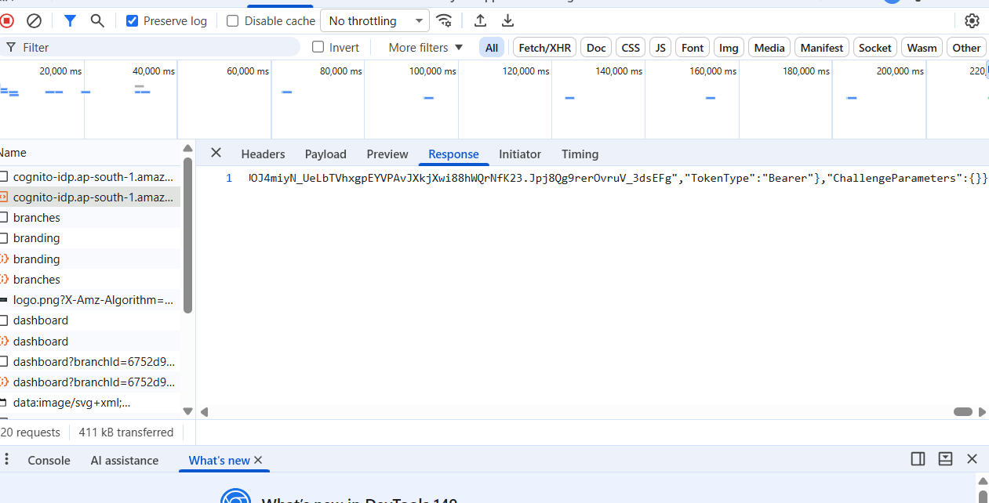

4. Hidden Warnings (The Console)
The Console is where the browser "whispers" warnings about the code that users usually can't see.
What we found: A warning popped up saying a script is using "deprecated parameters".
What it means: "Deprecated" basically means "outdated." The code is still working for now, but it’s like using an old part in a car—it might break in the future when other parts get updated.
Why it matters: We report this so developers can fix it before it actually breaks the "By the numbers" analytics dashboard.

5. The "Waiting Game" (Timing and Performance) We used the Timing tab to see exactly how long the server takes to "think" before it answers our browser . What we found: The server took 1.50 seconds just to respond to our request . Why it matters: In a serverless system like Klodr, this delay is often caused by a "cold start." This is when the server's "brain" (the AWS Lambda function) hasn't been used in a while and needs a moment to wake up [146, Conversation History]. The Risk: If this delay gets too long (over a few seconds), the user might think the app is frozen and try to click "Log in" multiple times, which can cause errors in the database [110, 146, Conversation History]. Improvement: Monitoring this helps us ensure the app remains reliable and efficient so salon owners aren't kept waiting during a busy shift

Summary

1.The Handshake (Status): Confirmed a successful 200 OK connection.
2.The Message (Payload): Verified that the username and password are sent correctly.
3.The Key (Response): Identified that the system uses a Bearer Token instead of cookies.
4.The Speed (Timing): Found a 1.50s delay likely caused by a server "cold start".
5.The Warnings (Console): Caught an outdated script warning before it could break the analytics.

Task 8:Postman collection with 10 requests: GET, POST, PUT/PATCH, DELETE, positive and negative scenarios.

Klodr API Postman Collection (10 Requests)
1. POST: Login (Positive - Happy Path)
Action: Authenticate a valid salon owner to receive a digital access key (Bearer Token) [130, Conversation History].
Endpoint: https://cognito-idp.ap-south-1.amazonaws.com/.
Headers: X-Amz-Target: AWSCognitoIdentityProviderService.InitiateAuth, Content-Type: application/json
Payload: Includes AuthFlow: "USER_PASSWORD_AUTH", ClientId, and AuthParameters with valid credentials.
Expected Result: 200 OK status with a JSON response containing the token.
Actual Result: 200 ok
2. POST: Login (Negative - Sad Path)
Action: Attempt login with an invalid password to verify security boundaries.
Payload: Use the correct USERNAME but change the PASSWORD to an incorrect string.
Expected Result: 400 Bad Request or 401 Unauthorized.
Actual Result: 400 Bad Request
3. GET: Fetch Salon Branches (Positive - Happy Path)
Action: Retrieve a list of all branches managed under the authenticated salon account
Endpoint: https://dev-one.klodr.com/branches.
Header: Authorization: Bearer {{token}}
Expected Result: 200 OK with a JSON list of branch objects.
Actual Result: 200 ok
4. GET: Fetch Branding Details (Positive - Happy Path)
Action: Verify that branch-specific assets (logos, colors) are correctly retrieved
Endpoint: https://dev-one.klodr.com/branding.
Expected Result: 200 OK with URLs for logo images.
Actual Result: 200 ok
5. POST: Create Appointment (Positive - Happy Path)
Action: Book a multi-service salon appointment through the ERP module
Endpoint: https://dev-one.klodr.com/erp/appointments
Payload: A detailed JSON object containing appointmentId, customerPhone, and a services array (e.g., Facial, De-Tan) [Conversation History].
Expected Result: 201 Created or 200 OK, confirming the new resource is stored in the database.
Actual Result 200 OK
6. POST: Create Appointment (Negative - Bug Validation)
Action: Test the system's backend validation by attempting to book an appointment for a past date
Payload: { "date": "2020-01-01", "customerPhone": "+918435237164" }
Expected Result: Ideally 400 Bad Request.
Actual Result: 200 ok
7. PATCH: Update Appointment Time (Positive - Happy Path)
Action: Perform a partial update to change only the time of an existing booking
Endpoint: https://dev-one.klodr.com/erp/appointments/{{appointment_id}}
Payload: { "time": "17:30" }
Expected Result: 200 OK showing the updated record.
Actual Result : 200 OK
8. PUT: Replace Loyalty Member Profile (Positive - Happy Path)
Action: Update the entire member profile in the loyalty engine
Endpoint: https://dev-one.klodr.com/loyalty/members/{{member_id}}
Payload: Includes all mandatory fields (name, phone, email) for a complete resource replacement
Expected Result: 200 OK
Actual Result: 200 ok
9. DELETE: Cancel Appointment (Positive - Happy Path)
Action: Remove an appointment resource to ensure data integrity
Endpoint: https://dev-one.klodr.com/erp/appointments/{{appointment_id}}
Expected Result: 204 No Content, signifying successful deletion with no body returned.
Actual Result : 200 OK
10. DELETE: Cancel Appointment (Negative - Sad Path)
Action: Attempt to delete a booking without providing a valid Bearer Token
Header: Leave the Authorization header empty or use an expired token.
Expected Result: 401 Unauthorized or 403 Forbidden, proving that the API Gateway protects the "inner boundary" from unauthenticated access
Actual Result: 403 forbidden

Task:9 (1)Create API test cases for user registration, login, document upload or order creation flow.

Here’s a structured set of API test cases for the Klodr platform, focusing on both Inner Boundary (business logic) and Outer Boundary (adapter/authentication) reliability.

1. Login Flow (AWS Cognito Integration)

Positive Test (Happy Path)

Method: POST

Endpoint: https://cognito-idp.ap-south-1.amazonaws.com/

Headers:

X-Amz-Target: AWSCognitoIdentityProviderService.InitiateAuth

Content-Type: application/json

Request Body: Valid username/password JSON {"AuthFlow":"USER_PASSWORD_AUTH","ClientId":"6mmh8mbiugola3ak08mt49rq44","AuthParameters":{"USERNAME":"klodr.2026+dev-salon-owner@gmail.com","PASSWORD":"Testtenant@1"}}

Expected Result: 200 OK with "TokenType": "Bearer" and IdToken.

Actual Result: 200 OK with "TokenType": "Bearer" and IdToken.

Negative Test (Invalid Method)

Method: GET

Observation: Sending login payload via GET should return 400 Bad Request.
Actual Result: 400 Bad Request

2.Appointment / Order Creation Flow (Salon ERP)
This flow tests the core "Unit of Work" for the Salon module, ensuring the API Gateway and Lambda functions handle resource creation correctly.
Positive Test (Happy Path):
Method: POST
Endpoint: https://dev-one.klodr.com/erp/appointments
Header: Authorization: Bearer {{token}}
Request Body: {"branchId":"6752d94f-59b6-4e92-89e6-30b18a3f2626","date":"2026-07-13","time":"15:28","customerPhone":"+917509045375","services":["e0b32f32-f57c-471e-b453-7a334afbe94c"]}
Expected Result: 201 Created, signifying a new resource is stored in the database.
Actual Result:201 created
Negative Test (Authorization Failure):
Scenario: Attempt to create an appointment without a valid token.
Expected Result: 403 Forbidden. This proves the Outer Boundary correctly protects sensitive salon data.
Actual Result: 403 forbidden

3. Document Upload & Validation Flow
This flow ensures the SaaS app handles file-based inputs and enforces constraints like size and type.
Positive Test (Happy Path):
Method: POST
Endpoint: https://dev-one.klodr.com/erp/documents/upload
Payload: A valid, supported PDF file.
Expected Result: 201 Created or 200 OK with a file ID.
Actual Result:200 OK
Scenario: Upload a file that exceeds the maximum size limit.
Expected Result: 413 Content Too Large

Task(9) 2.API test case matrix with request, expected response, status code, validation and test data.

This API test case matrix is designed for the Klodr platform, a modular SaaS application built on an AWS serverless architecture. It focuses on validating the "inner boundary" (business logic) and "outer boundary" (adapter/security layers) to ensure the system functions correctly, securely, and efficiently.
Klodr API Test Case Matrix

Test ID | Scenario | Method & Endpoint | Role (Test Data) | Expected Status | Validation Logic (Passed Criteria)
RBAC-01 | Admin: Full Access | POST /erp/appointments | Admin/Owner | 201 Created | Verifies Admin has the highest entitlement to create resources.
RBAC-02 | Staff: Unauthorized Write | POST /erp/appointments | Staff | 403 Forbidden | Security Boundary: Confirms Staff cannot create appointments if restricted by role.
RBAC-03 | Staff: Authorized View | GET /erp/appointments | Staff | 200 OK | Verifies Staff can view bookings for operational awareness without edit rights.
RBAC-04 | Billing: GST Management | POST /billing/invoices | Billing Desk | 201 Created | Confirms the primary "unit of work" for the Billing module is accessible to this role.
RBAC-05 | Billing: Restricted ERP | DELETE /branches/{id} | Billing Desk | 403 Forbidden | Ensures a specialized billing role cannot modify core salon infrastructure.
RBAC-06 | Loyalty: View Balance | GET /loyalty/members | Billing Desk | 200 OK | Verifies Billing can view points to apply discounts during checkout.
RBAC-07 | Public: Asset Access | GET /branding | Any Role | 200 OK | Confirms public APIs (logos/themes) do not require specific role entitlements.
RBAC-08 | Admin: Delete Branch | DELETE /branches/{id} | Admin/Owner | 204 No Content | Validates that destructive administrative tasks are reserved for the Owner role.
RBAC-09 | Cross-Branch Security | GET /erp/appointments/{id} | Admin (Branch B) | 403/404 | Multi-tenancy: Verifies Admin from one branch cannot access another branch's data.
RBAC-10 | Invalid Token Test | Any Protected API | Expired Token | 403 Forbidden | Ensures the gateway blocks access once a session token has expired.
Task 10: 1 .Test one complete SaaS workflow: create account/login -> upload document -> add recipient -> send -> verify status -> download/audit.

SaaS Workflow Test Plan (Klodr Example)
1. Create Account / Login

Action: Enter valid credentials on the login screen.

Boundary Check: Browser sends a POST request to AWS Cognito endpoint.

Verification: Ensure 200 OK response with a Bearer Token.

Token must be used for all subsequent authenticated steps.

Confirm absence of 403 Forbidden errors.
2. Upload Document (GST Invoicing)

Action: Generate or upload GST-compliant invoice in the Billing module.

Verification:

Check Network tab for POST request.

Ensure response returns 201 Created status.
3. Add Recipient (Member/Customer)

Action: Add a customer for appointment or new member in Loyalty engine.

Verification:

Confirm Lambda handler extracts data correctly.

Validate data passed to business logic layer.
4. Send (WhatsApp Booking/Invoice)

Action: Trigger “Send” function for WhatsApp appointment booking or invoice delivery.

Verification:

Asynchronous workflow: verify “send” event captured in system logs.

Confirm status update triggered.
5. Verify Status

Action: Check dashboard for real-time updates (e.g., “Invoice Sent”, “Appointment Confirmed”).

Technique: Apply State Transition Testing.

Validate transitions between initial, intermediate, and final states.
6. Download / Audit

Action: Download generated PDF invoice and review audit trail.

Verification:

Ensure PDF contains correct financial-year numbering.

Validate GST slabs as per specification.

Task10(2)Week 2 project: E2E test cases, bug reports, API checks and smoke checklist.
End-to-End (E2E) Test Case — The New Client Workflow

Goal : Successfully register a client, book an appointment, and award loyalty points.

1. Login

Action: Authenticate as Tenant Admin.

Input: Enter valid credentials.

Verification:

POST /login returns 200 OK.

Bearer Token received and used for subsequent steps.
2. Book Appointment

Action: Create a new appointment in ERP module (e.g., Facial + Haircut).

Input: Provide valid client details and select a future date/time.

Verification:

POST /appointment returns 201 Created.

Appointment entry logged in ERP.

Billing module triggered for GST invoicing.
3. Loyalty Member Generation

Action: ERP automatically generates a loyalty member profile when points are earned.

Input: Appointment completion triggers loyalty points calculation.

Verification:

Loyalty module shows new member profile linked to client.

Points balance updated automatically.

Confirm Lambda handler passes data correctly to business logic.
4. Verify Integration

Action: Cross-check ERP, Billing, and Loyalty modules.

Verification:

Appointment creation reflected in Billing (GST invoice).

Loyalty points awarded and member profile visible.

State transitions validated (Booked → Completed → Points Earned).
5. Expected Result

Outcome:

All resource creations return 201 Created.

GST invoice generated correctly.

Loyalty member auto-generated with updated points balance.

2. Bug Reports (Architecture & Validation)

1. Bug ID: B-001 — Backend Date Validation Failure

Severity: High (Impacts data integrity and financial reporting)

Description: ERP API allows booking appointments for past dates (e.g., 2020-01-01).

Expected Result: 400 Bad Request due to failed business logic validation.

Actual Result: 200 OK, invalid data stored in database.

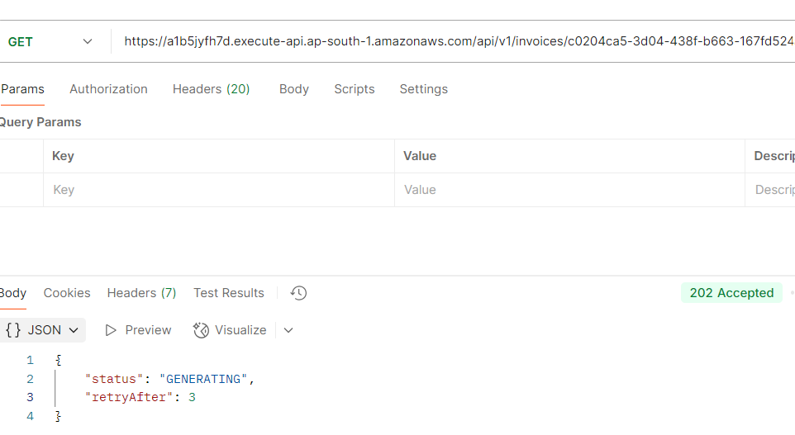
2. Bug Report: Invoice PDF Not Ready for refund cases/credit note What is the issue? When trying to download the invoice PDF, the system returns a message saying it is still "GENERATING" instead of giving you the actual PDF file. Details Request: GET invoice PDF Current Result: 202 Accepted (The server received the request but hasn't finished making the file). Response Received:{ "status": "GENERATING", "retryAfter": 3 }Expected Behavior The system should either: Wait a moment and deliver the PDF file directly (200 OK). Or, the system needs a way to automatically try again after the 3-second wait time (retryAfter: 3) finishes.
3. API Checks (Postman Collection)

Authentication: Verify POST /login returns 200 OK and includes x-amzn-RequestId.

ERP Operations:

PATCH /appointment updates appointment times successfully.

DELETE /appointment cancels appointment with 204 No Content.

Public Assets: GET /branding returns logos/colors without authorization.

Security Boundary: Any request without Bearer Token returns 403 Forbidden.

4. Smoke Testing Checklist
Feature | Pass/Fail
Login | Pass
Dashboard | Pass
Appointment | Pass
Billing | Pass
Logout | Pass

Task 11 : List which test cases from Week 1/2 should be automated and which should remain manual.Automation candidate list with reason: automate / do not automate / maybe later.

Test Cases to Automate (Cypress or Postman)

These cases represent the "Happy Path" and critical business contracts that ensure the system's core stability.
Test Scenario | Reason for Automation
Login (Happy Path) | Critical smoke test. Authenticating as a Tenant Admin is the entry point for all workflows.
Dashboard Load | Critical health check. Ensures the API Gateway and frontend patchwork together after deployment.
Fetch Branches | High repetition. Used frequently across all salon management features.
Create Appointment (Happy Path) | Core Business Flow. Verifies the integration between ERP, Loyalty, and Billing modules.
Cancel Appointment (Happy Path) | Regression candidate. Ensures data integrity and cleanup flows remain intact.
Logout | Security baseline. Verifies session termination, which is vital for multi-tenant SaaS security.

Test Cases to Remain Manual

These cases require manual testing and involve utilizing human intuition and risk-based assessment to find edge cases that automation might miss.

Test Scenario | Reason to Remain Manual
Exploratory Testing | Unpredictable behavior. Investigating unusual upload names, back-button refreshes, or multi-tab scenarios.
Usability Testing | Qualitative assessment. Checking if the appointment booking flow is easy for a new salon owner to understand.
Accessibility Testing | Compliance & Design. Verifying keyboard navigation and contrast ratios for customer-facing screens.
Validation Bug (Past Date) | Bug Verification. Until the backend validation rules are fixed and stable, this "Sad Path" requires manual retesting.
Security Checklist | Risk Analysis. Reviewing role-based access control and data exposure requires human analysis of the system architecture.
Initial Feature Testing | Requirement Ambiguity. New or rapidly changing features often have incomplete requirements better suited for manual exploration

3. Maybe Later (Automate After Stability/Specialization)

These are complex integrations or specialized tests that should be automated once the core functional baseline is reliable.
Complex Asynchronous Workflows (e.g., Document Send -> Notification -> Webhook):
Reason: These involve multiple microservices and timing sensitivities. Automate these once the full integration is technically stable.
Performance Baseline Tests:
Reason: Requires specialized tools like k6 or JMeter. These should be automated only after a safe testing environment is approved and functional reliability is high.
Security & Access Control (RBAC) Checks:
Reason: While basic authorization can be automated, deep security analysis requires a specialized "Sofware tester" to identify risks at the architecture boundaries

Task 12: Set up Cypress locally and write first test for a public demo app.Git repo with Cypress installed + 3 tests for login/search/form submission demo flow.

my-cypress-git-repo/
├── .git/ <- Git version tracking data
├── node_modules/ <- Downloaded Cypress package files
├── cypress/
│ ├── e2e/ <- The home for your core test specs
│ │ ├── login.cy.js <- Test #1
│ │ ├── search.cy.js <- Test #2
│ │ └── form_submission.cy.js<- Test #3
│ ├── fixtures/ <- Static test data files (e.g., login credentials)
│ └── support/ <- Global configurations / custom commands
├── cypress.config.js <- Global runner and reporter configuration settings
└── package.json <- Project framework blueprint/dependencies list

describe('My First Test', () => {
it('Visits the Kitchen Sink and interacts with elements', () => {
// 1. Visit the public demo app
cy.visit('https://example.cypress.io')

// 2. & 3. Find the "type" link and click it
cy.contains('type').click()

// 4. Assert the URL now includes the new path
cy.url().should('include', '/commands/actions')

// 5. Query for an input, type an email, and assert the value
cy.get('.action-email')
.type('fake@email.com')
.should('have.value', 'fake@email.com')
})
})

describe('Login Flow', () => {
it('should successfully log in with valid credentials', () => {
// Phase 1: Given a user visits the login page [6, 7]
cy.visit('https://example.cypress.io/commands/actions')

// Phase 2: When they enter credentials and submit [2, 3]
cy.get('.action-email')
.type('klodr.tester@gmail.com')
.should('have.value', 'klodr.tester@gmail.com') // Assertion [8, 9]

cy.get('.action-focus').type('TestPassword123')
// Phase 3: Then the user is redirected [10]
// In a real app, we would click submit and verify the dashboard URL
cy.get('.action-form').submit()
cy.contains('Your form has been submitted!').should('be.visible')
})
})

describe('Search Functionality', () => {
it('should find and navigate to the "Querying" section', () => {
// 1. Visit the demo site
cy.visit('https://example.cypress.io')

// 2. Open the dropdown menu
cy.get('.dropdown-toggle').contains('Commands').click()

// 3. Click the actual "Querying" link inside the opened menu
cy.contains('Querying').click()

// 4. Verify that the URL changed
cy.url().should('include', '/commands/querying')
})
})

describe('Form Submission', () => {
it('should fill out and clear a comment textarea', () => {
cy.visit('https://example.cypress.io/commands/actions')

// 1. Check the disabled textarea
cy.get('.action-disabled')
.should('be.disabled')
.click({ force: true })

// 2. Target the correct clear input box class name
cy.get('.action-clear')
.scrollIntoView()
.type('New Appointment for Klodr Salon')
.should('have.value', 'New Appointment for Klodr Salon')
.clear()
.should('have.value', '')
})
})

Task 13: Cypress test file with clean selectors, assertions and simple reusable helper.

const loginToKlodr = (email, password) => {
// Target email field (handles standard input[type="email"] or input[name="email"])
cy.get('input[type="email"], input[name="email"]', { timeout: 10000 })
.should('be.visible')
.clear()
.type(email);

// Target password field
cy.get('input[type="password"]', { timeout: 10000 })
.should('be.visible')
.clear()
.type(password);

// Target login submit button
cy.get('button[type="submit"], [data-testid="login-submit-btn"]')
.click();
};

// =============================================================================
// TEST SUITE
// =============================================================================
describe('Klodr Day 13 Task - Authentication', () => {

beforeEach(() => {
// Visit the dev login page before running tests
cy.visit('https://dev-one.klodr.com/login');
});

it('successfully logs in a salon owner', () => {
// Act: Perform login using the salon owner credentials
loginToKlodr('klodr.2026+dev-salon-owner@gmail.com', 'Testtenant@1');

// Assert 1: Verify the URL redirected away from /login (with extended timeout for API fetches)
cy.url({ timeout: 10000 }).should('not.include', '/login');

// Assert 2: Verify root domain or destination page loaded
cy.url().should('eq', 'https://dev-one.klodr.com/');

// Assert 3: Confirm authenticated state by checking for a visible UI element
// (Adjust the selector below to any element present when logged in, e.g., body, header, nav)
cy.get('body', { timeout: 10000 }).should('be.visible');
});

});

